DFO Installation
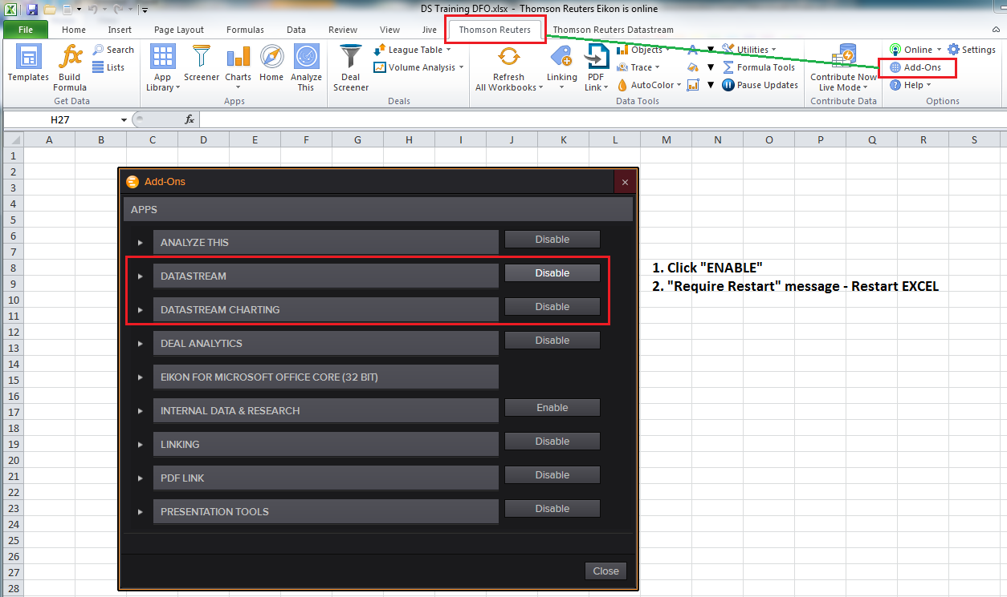

Static vs Time Series
STATIC REQUEST | TIME SERIES REQUEST
Single Point in Time | Date Range
Metadata and Historical Data Combined | Separate Metadata & Historical Data
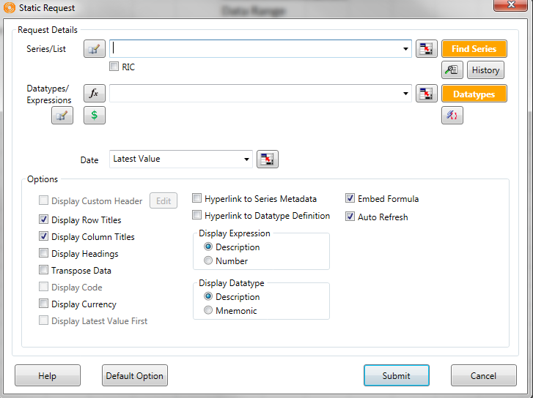
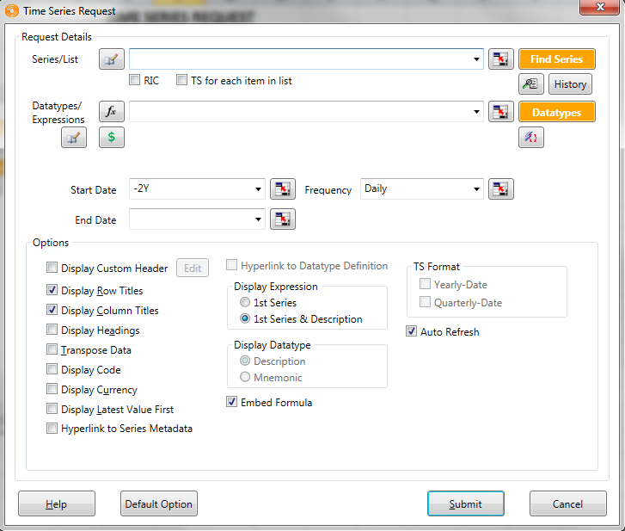

Creating a Request
 | Questions: | Answers
1 | Mnemonic/Symbol | ?
2 | Field/Function - DATATYPE | ?
3 | Time/Date/Frequency | ?
4 | Display | ?
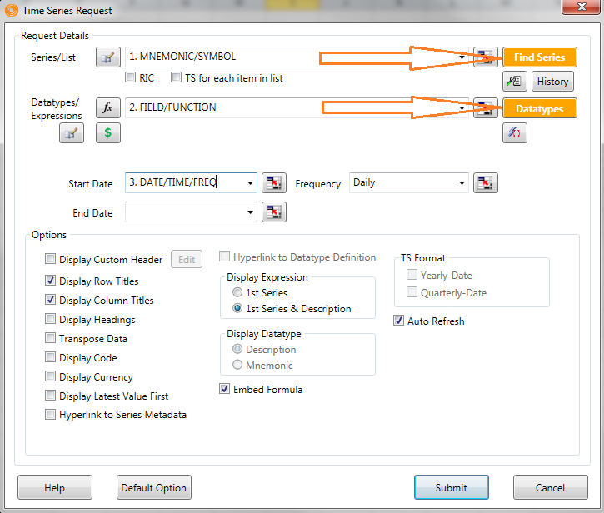

Creating a Function
 | Steps | Function
1 | Changing Variable X | X | X
2 | Datatype | RI, MV, etc | RI
3 | Combine 1&2 | X + (DATATYPE) | X(RI)

4 | Function | MAV#(X,1Y) | MAV#(X(RI),1Y)
5 | Function | PCH#(X,1M) | PCH#(MAV#(X(RI),1Y),1M)
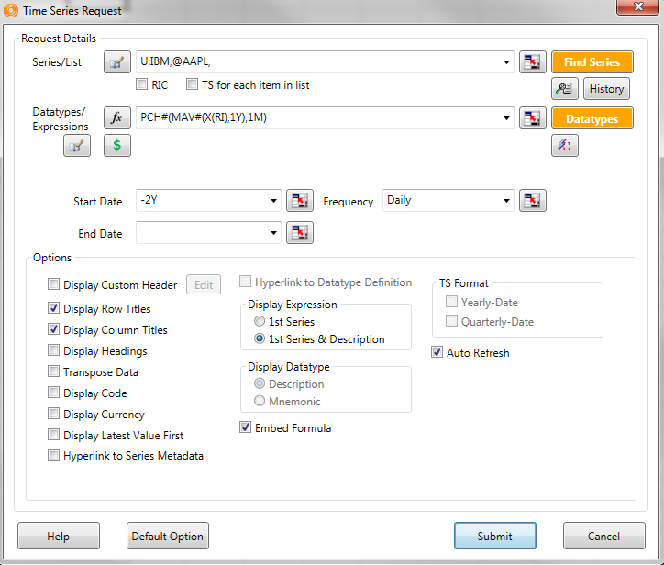

User Created Index (UCI)
User Created Indices (UCI) | Selecting a Basket of Securities and creating a Benchmark

1. Navigator - Find and Select EQUITIES
2. Click on "My Selections" (Top Right) >> SAVE AS UCI
3. Click on Next: Define Index Metadata
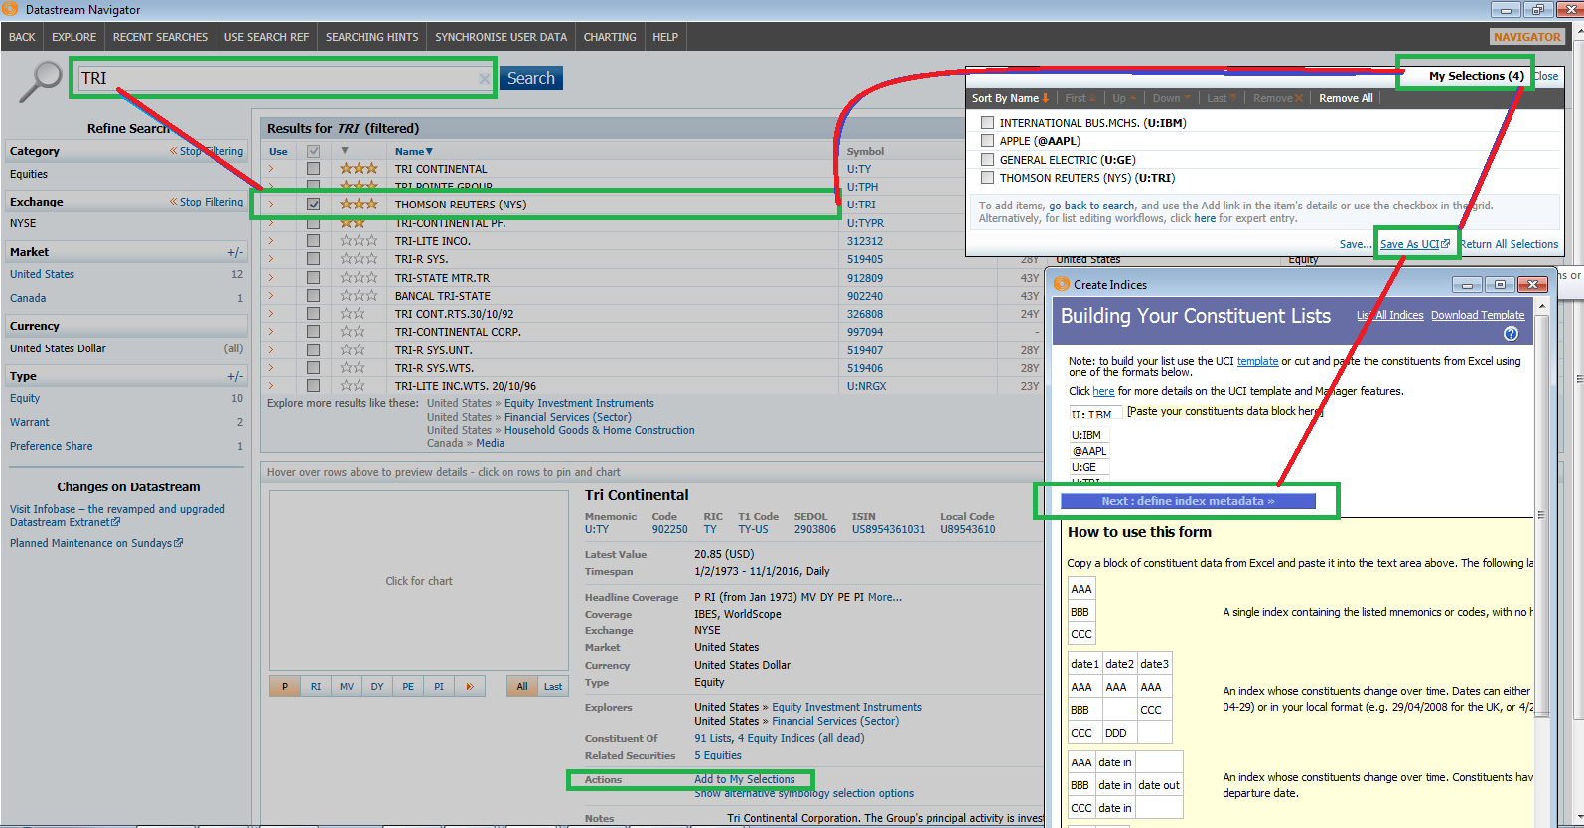

4. Define Meta Data
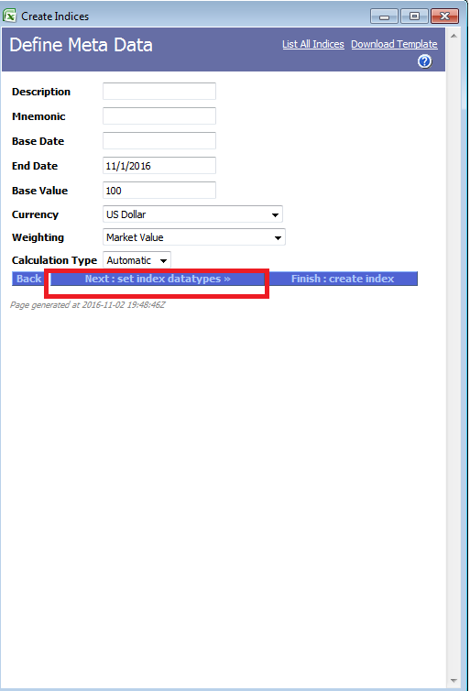
 | Description | Name/Title | Edit
 | Mnemonic | Symbol (6 Character Max) | Edit
 | Base Date | Start Date MM/DD/YYYY | Edit
 | End Date | End Date MM/DD/YYYY | Current Date
 | Base Value | Start Point | Usually 100
 | Currency | US Dollar | Edit
 | Weighting | Market Value | Edit | ***Weighting - Market Value is based on the Market Cap of each constituent vs the total. S&P 500 is a Market Value Weighted Index
 | Calculaton Type | Automatic | Edit | ***Calculation Type - Automatic would have DS System update the next day's each passing day.

5. Next: Set Index Datatypes
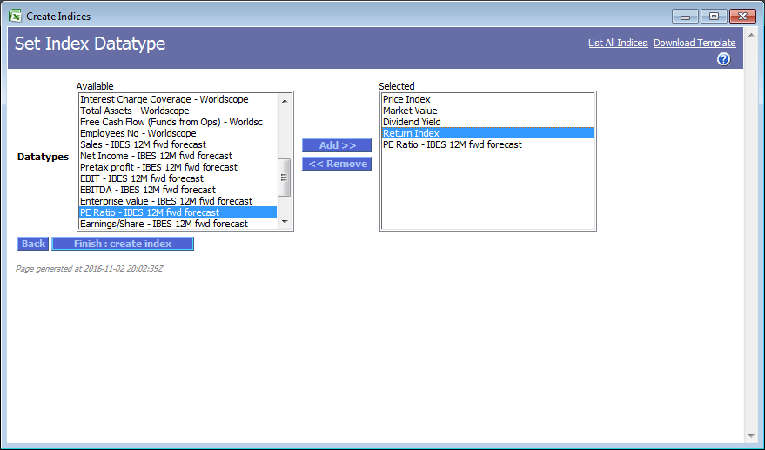

6. Index Detail

